Instructions
FY 2024

Internal Control Self Assessment
Instructions
 | The following tabs contain a list of questions to assess risk of internal control strengths and deficiencies for the technical college.

 | Please select an appropriate response from the drop down menu for questions indicated for each component. Provide comments for every question and indicate employees responsible for each. Based on responses to questions for each component, complete the section to report any deficiencies. Provide a reason for each, and indicate the severity of the deficiency. If any major deficiencies are identified, provide a preleminary response in the space provided.

 | Components identified for this self assessment are as follows:
 |  | Account Balances and General Controls
 |  | Cash and Revenue Handling (Includes Banner, Bookstore, and Other Revenue)
 |  | Accounts Receivable (Includes Banner and Other Receivables)
 |  | Purchasing and Accounts Payable
 |  | Personnel Information and Employee Compensation
 |  | Travel Expense and Reporting
 |  | Property Control (Asset Management)
 |  | Information Security

 | In terms for this internal control self assessment, deficiencies in internal control may exist for one of the following reasons:
 |  | Control was not present.
 |  | Control is present, but implementation does not meet required objective.

 | Questions selected for each component relate to at least one of 17 principles of internal control indentified in the COSO Framework.
 | Each question has a number or numbers that indicates to what principle it relates and are provided to ensure that all principle are considered
 | in review of the technical college's internal controls. A summary of the principles are provided below.

 | Each component should be prepared by someone in the Administrative Services Division of the college and should be reviewed by a
 | person other than the preparer. Signature lines are provided for each component for verification of this important criteria.

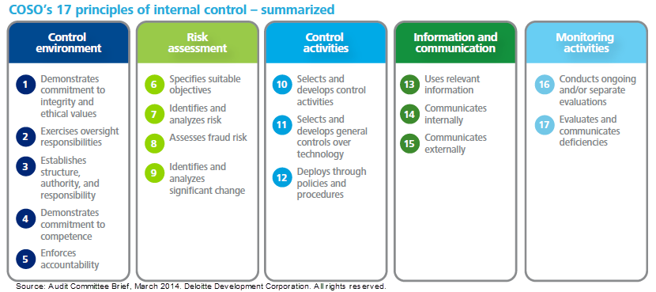

 | YES
 | NO
 | N/A

 | Control was not present.
 | Control is present, but implementation does not meet required objective.

